alpha cum pnl
 | Date | Alpha 1 | Alpha 2 | Alpha 3
0 | Sep-21 | -0.057966 | -0.032685 | -0.032685
1 | Sep-21 | -0.016731 | 0.04411 | 0.04411
2 | Sep-21 | 0.004882 | 0.078988 | 0.0704
3 | Sep-21 | 0.099853 | 0.138594 | 0.130006
4 | Sep-21 | 0.063841 | 0.206271 | 0.197683
5 | Sep-21 | 0.20168 | 0.33279 | 0.324202
6 | Sep-21 | 0.274326 | 0.266423 | 0.257835
7 | Sep-21 | 0.317085 | 0.189076 | 0.180488
8 | Sep-21 | 0.393672 | 0.108867 | 0.100279
9 | Sep-21 | 0.558163 | 0.02052 | 0.011932
10 | Sep-21 | 0.695831 | -0.1326 | -0.141187
11 | Sep-21 | 0.828067 | -0.270423 | -0.279011
12 | Sep-21 | 0.926406 | -0.246596 | -0.255184
13 | Sep-21 | 0.974405 | -0.235458 | -0.244046
14 | Sep-21 | 0.969786 | -0.233329 | -0.241917
15 | Oct-21 | 0.909776 | -0.25448 | -0.263068
16 | Oct-21 | 0.981342 | -0.207815 | -0.216402
17 | Oct-21 | 1.018364 | -0.199225 | -0.207813
18 | Oct-21 | 0.995192 | -0.222397 | -0.230985
19 | Oct-21 | 1.091094 | -0.15641 | -0.164998
20 | Oct-21 | 1.151653 | -0.181001 | -0.189589
21 | Oct-21 | 1.268489 | -0.017095 | -0.025683
22 | Oct-21 | 1.412135 | 0.070482 | 0.061894
23 | Oct-21 | 1.479822 | 0.134588 | 0.126
24 | Oct-21 | 1.480041 | 0.10222 | 0.093633
25 | Oct-21 | 1.648023 | 0.111724 | 0.103136
26 | Oct-21 | 1.569092 | 0.106218 | 0.097631
27 | Oct-21 | 1.656376 | 0.193502 | 0.184914
28 | Oct-21 | 1.748016 | 0.266833 | 0.258245
29 | Oct-21 | 1.837777 | 0.38144 | 0.372852
30 | Oct-21 | 1.856563 | 0.439989 | 0.431401
31 | Oct-21 | 1.841599 | 0.418196 | 0.409608
32 | Oct-21 | 1.95518 | 0.318967 | 0.310379
33 | Oct-21 | 2.009704 | 0.422287 | 0.413699
34 | Oct-21 | 2.116599 | 0.467439 | 0.458851
35 | Oct-21 | 2.190072 | 0.562521 | 0.553933
36 | Nov-21 | 2.589114 | 0.466828 | 0.45824
37 | Nov-21 | 2.722619 | 0.592859 | 0.584271
38 | Nov-21 | 2.7875 | 0.683506 | 0.674918
39 | Nov-21 | 2.760763 | 0.665224 | 0.656636
40 | Nov-21 | 2.867582 | 0.605386 | 0.596798
41 | Nov-21 | 2.923906 | 0.687898 | 0.67931
42 | Nov-21 | 2.942967 | 0.732667 | 0.724079
43 | Nov-21 | 2.978812 | 0.840176 | 0.831588
44 | Nov-21 | 3.016819 | 0.78954 | 0.780952
45 | Nov-21 | 3.329185 | 1.052951 | 1.044363
46 | Nov-21 | 3.472335 | 1.172312 | 1.163724
47 | Nov-21 | 3.585281 | 1.269254 | 1.260666
48 | Nov-21 | 3.698108 | 1.373389 | 1.364801
49 | Nov-21 | 3.553887 | 1.478079 | 1.469491
50 | Nov-21 | 3.524119 | 1.533316 | 1.524728
51 | Nov-21 | 3.510483 | 1.54143 | 1.532842
52 | Nov-21 | 3.483949 | 1.604304 | 1.595716
53 | Nov-21 | 3.489806 | 1.742377 | 1.733789
54 | Nov-21 | 3.553001 | 1.810535 | 1.801947
55 | Nov-21 | 3.80317 | 1.921185 | 1.912597
56 | Nov-21 | 3.762521 | 1.852949 | 1.844361
57 | Dec-21 | 3.844868 | 1.97893 | 1.970342
58 | Dec-21 | 3.872708 | 1.990602 | 1.97442
59 | Dec-21 | 3.830283 | 1.975385 | 1.959203
60 | Dec-21 | 3.932937 | 2.001597 | 1.985415
61 | Dec-21 | 3.916579 | 2.039045 | 2.022863
62 | Dec-21 | 3.918035 | 2.08183 | 2.065648
63 | Dec-21 | 3.94662 | 2.168497 | 2.152315
...
 | Date | Alpha 1 | Alpha 2 | Alpha 3
 | Jul-23 | 25.721769 | 18.026268 | 17.719053
 | Jul-23 | 25.771075 | 17.976705 | 17.66949
 | Jul-23 | 25.819771 | 17.931796 | 17.62458
 | Jul-23 | 25.93935 | 18.015182 | 17.707967
 | Jul-23 | 25.951381 | 18.076235 | 17.769019
 | Jul-23 | 26.047643 | 18.135496 | 17.828281
 | Jul-23 | 26.175734 | 18.170508 | 17.863292
 | Jul-23 | 26.299126 | 18.342641 | 18.035426
 | Jul-23 | 26.449435 | 18.365196 | 18.057981
 | Jul-23 | 26.745371 | 18.358856 | 18.05164
Top 3 Alphas Profits Over Time
 | Alpha 1 | Alpha 2 | Alpha 3
Sep-21 | -0.057966 | -0.032685 | -0.032685
Sep-21 | -0.016731 | 0.04411 | 0.04411
Sep-21 | 0.004882 | 0.078988 | 0.0704
Sep-21 | 0.099853 | 0.138594 | 0.130006
Sep-21 | 0.063841 | 0.206271 | 0.197683
Sep-21 | 0.20168 | 0.33279 | 0.324202
Sep-21 | 0.274326 | 0.266423 | 0.257835
Sep-21 | 0.317085 | 0.189076 | 0.180488
Sep-21 | 0.393672 | 0.108867 | 0.100279
Sep-21 | 0.558163 | 0.02052 | 0.011932
Sep-21 | 0.695831 | -0.1326 | -0.141187
Sep-21 | 0.828067 | -0.270423 | -0.279011
Sep-21 | 0.926406 | -0.246596 | -0.255184
Sep-21 | 0.974405 | -0.235458 | -0.244046
Sep-21 | 0.969786 | -0.233329 | -0.241917
Oct-21 | 0.909776 | -0.25448 | -0.263068
Oct-21 | 0.981342 | -0.207815 | -0.216402
Oct-21 | 1.018364 | -0.199225 | -0.207813
Oct-21 | 0.995192 | -0.222397 | -0.230985
Oct-21 | 1.091094 | -0.15641 | -0.164998
Oct-21 | 1.151653 | -0.181001 | -0.189589
Oct-21 | 1.268489 | -0.017095 | -0.025683
Oct-21 | 1.412135 | 0.070482 | 0.061894
Oct-21 | 1.479822 | 0.134588 | 0.126
Oct-21 | 1.480041 | 0.10222 | 0.093633
Oct-21 | 1.648023 | 0.111724 | 0.103136
Oct-21 | 1.569092 | 0.106218 | 0.097631
Oct-21 | 1.656376 | 0.193502 | 0.184914
Oct-21 | 1.748016 | 0.266833 | 0.258245
Oct-21 | 1.837777 | 0.38144 | 0.372852
Oct-21 | 1.856563 | 0.439989 | 0.431401
Oct-21 | 1.841599 | 0.418196 | 0.409608
Oct-21 | 1.95518 | 0.318967 | 0.310379
Oct-21 | 2.009704 | 0.422287 | 0.413699
Oct-21 | 2.116599 | 0.467439 | 0.458851
Oct-21 | 2.190072 | 0.562521 | 0.553933
Nov-21 | 2.589114 | 0.466828 | 0.45824
Nov-21 | 2.722619 | 0.592859 | 0.584271
Nov-21 | 2.7875 | 0.683506 | 0.674918
Nov-21 | 2.760763 | 0.665224 | 0.656636
Nov-21 | 2.867582 | 0.605386 | 0.596798
Nov-21 | 2.923906 | 0.687898 | 0.67931
Nov-21 | 2.942967 | 0.732667 | 0.724079
Nov-21 | 2.978812 | 0.840176 | 0.831588
Nov-21 | 3.016819 | 0.78954 | 0.780952
Nov-21 | 3.329185 | 1.052951 | 1.044363
Nov-21 | 3.472335 | 1.172312 | 1.163724
Nov-21 | 3.585281 | 1.269254 | 1.260666
Nov-21 | 3.698108 | 1.373389 | 1.364801
Nov-21 | 3.553887 | 1.478079 | 1.469491
...
 | Jul-23 | 26.599806 | 18.500222 | 18.193007
 | Jul-23 | 26.634492 | 18.497738 | 18.190522
 | Jul-23 | 26.723653 | 18.621772 | 18.314556
 | Jul-23 | 26.791918 | 18.695253 | 18.388038
 | Jul-23 | 26.936492 | 18.810808 | 18.503592
 | Jul-23 | 27.123054 | 19.081903 | 18.774687
 | Jul-23 | 26.921285 | 19.183881 | 18.858934
 | Jul-23 | 26.945692 | 19.325598 | 19.000652
 | Jul-23 | 26.957458 | 19.282781 | 18.957834
 | Aug-23 | 26.968435 | 19.284717 | 18.959771
 | Aug-23 | 27.082892 | 19.476294 | 19.151347
 | Aug-23 | 27.108626 | 19.415761 | 19.090815
 | Aug-23 | 27.069068 | 19.408891 | 19.083945
 | Aug-23 | 27.125308 | 19.492364 | 19.167418
 | Aug-23 | 27.220242 | 19.59092 | 19.265974
 | Aug-23 | 27.275298 | 19.651616 | 19.32667
 | Aug-23 | 27.291173 | 19.628752 | 19.303805
 | Aug-23 | 27.250753 | 19.655348 | 19.330402
 | Aug-23 | 27.418389 | 19.793573 | 19.468626
 | Aug-23 | 27.417098 | 19.76621 | 19.441263
 | Aug-23 | 27.485106 | 19.707645 | 19.382699
 | Aug-23 | 27.497654 | 19.732853 | 19.407906
 | Aug-23 | 27.493841 | 19.746095 | 19.421149
 | Aug-23 | 27.618841 | 19.892575 | 19.567629
 | Aug-23 | 27.771495 | 20.020709 | 19.695763
 | Aug-23 | 27.920738 | 20.112994 | 19.788047
 | Aug-23 | 27.854649 | 20.049327 | 19.72438
 | Aug-23 | 27.880111 | 20.042806 | 19.717859
 | Aug-23 | 27.817846 | 20.13915 | 19.814203
 | Aug-23 | 27.845551 | 20.182191 | 19.857245
 | Aug-23 | 27.904169 | 20.208387 | 19.88344
...

ML_Price_Pred
MSE of Predictions
 | LSTM | LR(MSE) | NN(MSE) | LSTM(MSE)
 | 121.44903594 | 1.5057082923 | 59.318739882 | 2.7588016051
 | 122.3115945 | 1.0470639205 | 50.285401088 | 0.63745133681
 | 122.64643348 | 0.014442951903 | 30.149323906 | 0.21489391645
 | 123.87495665 | 6.7365293191 | 5.581382625 | 0.58515868161
 | 125.44419257 | 4.8844695993 | 18.972697447 | 5.4484549712
 | 125.42312584 | 3.7642039061 | 10.506544304 | 5.3505511343
 | 125.64931223 | 6.6491315629 | 5.4967740304 | 6.4481065926
 | 126.07119202 | 12.501973488 | 2.7452844721 | 8.7686581609
 | 126.44957573 | 9.3770408795 | 9.8395769761 | 11.152766074
 | 126.42063999 | 14.564378992 | 2.4296392129 | 10.960337157
 | 126.9373274 | 10.791904707 | 6.3039659929 | 14.648435019
 | 126.71735056 | 7.4532132601 | 4.2914436964 | 13.012978066
 | 126.71183691 | 11.436663629 | 2.84293321 | 12.973229092
 | 127.03225181 | 11.733524639 | 1.54629225 | 15.384059271
122.97529 | 127.24810679 | 17.409384435 | 0.0181467841 | 17.123927814
121.43863 | 127.89951134 | 17.721849119 | 2.7934776769 | 22.939418844
122.3398 | 127.55886672 | 14.365962212 | 0.59320804 | 19.79241507
123.006996 | 127.46584994 | 19.455338521 | 0.010609824016 | 18.97342872 |  | LR | NN | LSTM
123.20154 | 127.48248337 | 21.623442271 | 0.0083795716 | 19.118610821 | MSE | 323 | 252 | 212
123.69768 | 127.68253708 | 23.915681677 | 0.3453677824 | 20.908095348
123.71037 | 128.32886108 | 27.765553879 | 0.3604441369 | 27.236510992
124.98147 | 128.34471588 | 31.59172728 | 3.5023999609 | 27.402250368
123.772095 | 129.01339136 | 30.425829104 | 0.43836978902 | 34.850029511
125.24857 | 129.05900919 | 31.217537164 | 4.5734816449 | 35.390710334
Prediction of PLD Share Price with MLR/NN/LSTM
 | Actual | LR | NN | LSTM
Jul-21 | 123.11 | 121.88292694 | 115.408134 | 121.44903594
Jul-21 | 125.39 | 122.08673859 | 116.01878 | 122.3115945
Jul-21 | 127.41 | 123.23017883 | 117.61916 | 122.64643348
Jul-21 | 125.61 | 125.70548248 | 120.747505 | 123.87495665
Jul-21 | 126.23 | 125.32008362 | 118.754234 | 125.44419257
Jul-21 | 126.93 | 125.05015564 | 119.86862 | 125.42312584
Jul-21 | 127.28 | 125.688591 | 120.76548 | 125.64931223
Jul-21 | 126.78 | 126.64581299 | 121.45311 | 126.07119202
Jul-21 | 127.99 | 126.17219543 | 119.97319 | 126.44957573
Jul-21 | 126.9 | 126.92633057 | 121.55127 | 126.42063999
Jul-21 | 127.17 | 126.39510345 | 120.59923 | 126.9373274
Jul-21 | 127.89 | 125.84005737 | 121.03842 | 126.71735056
Jul-21 | 127.98 | 126.49181366 | 121.4239 | 126.71183691
Jul-21 | 129.19 | 126.53542328 | 121.8665 | 127.03225181
Jul-21 | 127.63 | 127.28245544 | 122.97529 | 127.24810679
Jul-21 | 127.89 | 127.31973267 | 121.43863 | 127.89951134
Jul-21 | 128.04 | 126.90024567 | 122.3398 | 127.55886672
Jul-21 | 128.46 | 127.52082062 | 123.006996 | 127.46584994
Aug-21 | 129.67 | 127.76010132 | 123.20154 | 127.48248337
Aug-21 | 128.9 | 128.00036621 | 123.69768 | 127.68253708
Aug-21 | 130.45 | 128.37930298 | 123.71037 | 128.32886108
Aug-21 | 129.71 | 128.73065186 | 124.98147 | 128.34471588
Aug-21 | 130.01 | 128.6259613 | 123.772095 | 129.01339136
Aug-21 | 129.35 | 128.69726562 | 125.24857 | 129.05900919
Aug-21 | 128.9 | 128.52474976 | 123.942276 | 129.19909399
Aug-21 | 130.07 | 128.43644714 | 123.29789 | 128.98116592
Aug-21 | 131.98 | 128.43972778 | 124.66683 | 128.65523249
Aug-21 | 133.69 | 129.99407959 | 126.95056 | 128.98400791
Aug-21 | 134.08 | 131.83483887 | 128.68687 | 129.99897305
Aug-21 | 132.5 | 132.53326416 | 129.72511 | 131.27154706
Aug-21 | 133.15 | 132.31964111 | 127.622925 | 132.12725857
Aug-21 | 134.25 | 131.54608154 | 129.22029 | 131.93461155
Aug-21 | 133.39 | 132.3873291 | 128.95752 | 132.05976131
Aug-21 | 130.75 | 132.90370178 | 130.04225 | 132.56805901
Aug-21 | 130.53 | 131.22665405 | 126.1025 | 132.50262024
Aug-21 | 130.62 | 129.46458435 | 125.63763 | 131.35684083
Aug-21 | 131.31 | 129.43986511 | 125.39876 | 130.58773702
Aug-21 | 133.73 | 130.10139465 | 126.82391 | 130.20171302
Aug-21 | 134.66 | 131.49316406 | 129.36623 | 130.31056513
Aug-21 | 137.79 | 132.89157104 | 129.54778 | 131.40744674
Sep-21 | 138.47 | 135.21913147 | 132.23685 | 132.40520909
Sep-21 | 138.99 | 136.7716217 | 134.29314 | 134.19127327
Sep-21 | 137.65 | 137.09179688 | 134.39224 | 135.44552521
Sep-21 | 138.54 | 136.3921814 | 132.7562 | 136.32855681
Sep-21 | 134.72 | 137.09968567 | 135.4089 | 136.30592795
Sep-21 | 133.63 | 135.47262573 | 130.73074 | 136.58825824
Sep-21 | 132.78 | 133.45263672 | 130.09354 | 135.27184264
Sep-21 | 132.55 | 132.87954712 | 129.10844 | 134.03168385
Sep-21 | 133.29 | 131.75701904 | 128.38443 | 132.95315352
Sep-21 | 132.58 | 132.12435913 | 129.07474 | 132.2621363
...
123.942276 | 129.19909399 | 29.319514919 | 0.69268334018 | 37.077065627
123.29789 | 128.98116592 | 28.371039173 | 0.0353026521 | 34.470589206
124.66683 | 128.65523249 | 28.405998243 | 2.4237196489 | 30.749603342
126.95056 | 128.98400791 | 47.390551799 | 14.749901114 | 34.503968873
128.68687 | 129.99897305 | 76.122813258 | 31.101478997 | 47.457949652
129.72511 | 131.27154706 | 88.797907432 | 43.759680312 | 66.610850476
127.622925 | 132.12725857 | 84.817489435 | 20.366492056 | 81.310952149
129.22029 | 131.93461155 | 71.1674718 | 37.335643884 | 77.873769092
128.95752 | 132.05976131 | 86.068835259 | 34.19349015 | 80.098227494
130.04225 | 132.56805901 | 95.916594599 | 48.056090062 | 89.454880162
126.1025 | 132.50262024 | 65.880073012 | 8.95505625 | 88.22131497
125.63763 | 131.35684083 | 40.380742269 | 6.3889134169 | 68.010383653
125.39876 | 130.58773702 | 40.06719234 | 5.2384223376 | 55.916550931
126.82391 | 130.20171302 | 48.879599198 | 13.793127488 | 50.292393591
129.36623 | 130.31056513 | 70.277439699 | 39.140413813 | 51.848138223
129.54778 | 131.40744674 | 95.679132107 | 41.445011328 | 68.847622452
132.23685 | 132.40520909 | 146.63106495 | 83.299390923 | 86.400911957
134.29314 | 134.19127327 | 186.63990759 | 125.06262026 | 122.7946173
134.39224 | 135.44552521 | 195.49064385 | 127.28893942 | 152.16518223
132.7562 | 136.32855681 | 176.41634265 | 93.04917444 | 174.73024407
135.4089 | 136.30592795 | 195.71130512 | 151.26294121 | 174.13251443
130.73074 | 136.58825824 | 152.834515 | 58.075678148 | 181.66344525
130.09354 | 135.27184264 | 106.9701343 | 48.769830932 | 147.91041634
129.10844 | 134.03168385 | 95.444050913 | 35.981282434 | 119.28317818
128.38443 | 132.95315352 | 74.770938329 | 27.819611825 | 96.887671152
129.07474 | 132.2621363 | 81.25867054 | 35.578123268 | 83.761598896
128.44473 | 132.20869326 | 72.392750495 | 28.459344173 | 82.78621912
124.20673 | 131.92395896 | 42.460137961 | 1.2028166929 | 77.685872525
123.589325 | 130.73382698 | 23.501034532 | 0.22975245563 | 58.122737889
124.78319 | 129.60983941 | 30.714022429 | 2.7995647761 | 42.247912323
124.76779 | 128.9007921 | 30.338022313 | 2.7482676841 | 33.533273175
124.28674 | 129.04873617 | 27.884678088 | 1.3847170276 | 35.268587346
122.69642 | 128.65268735 | 17.379473983 | 0.1710484164 | 30.721383052
120.85931 | 128.02313304 | 9.1871852184 | 5.0656054761 | 24.13887622
118.31499 | 126.90687333 | 0.80765721406 | 22.9921209 | 14.416247122
121.20367 | 126.02317017 | 5.1632493197 | 3.6340940689 | 8.4865604526
119.14243 | 125.96786816 | 5.4103330712 | 15.741611705 | 8.1674104285
...

Benchmarking
Comparison of Profitability and Risk
 | Sharpe Ratio | Volatility
REITs (Average) | 0.6
Index | 0.14 | 0.16
ARIMA | 1.4130319149 | 0.38
GARCH |  | 0.19
MLR | 2.53 | 0.0323
NN | 3.5 | 0.092
LSTM | 1.52 | 0.025
GA | 9.72

 | REITs (Average) | Index | ARIMA | GARCH | MLR | NN | LSTM | GA
MSE | N.A. | N.A. | 773 | N.A. | 323 | 252 | 212 | N.A.
Volatility | N.A. | 0.16 | 0.38 | 0.19 | 0.0323 | 0.092 | 0.025 | N.A.
Sharpe Ratio | 0.6 | 0.14 | 1.41 | N.A. | 2.53 | 3.5 | 1.52 | 9.72
...

Spider Chart
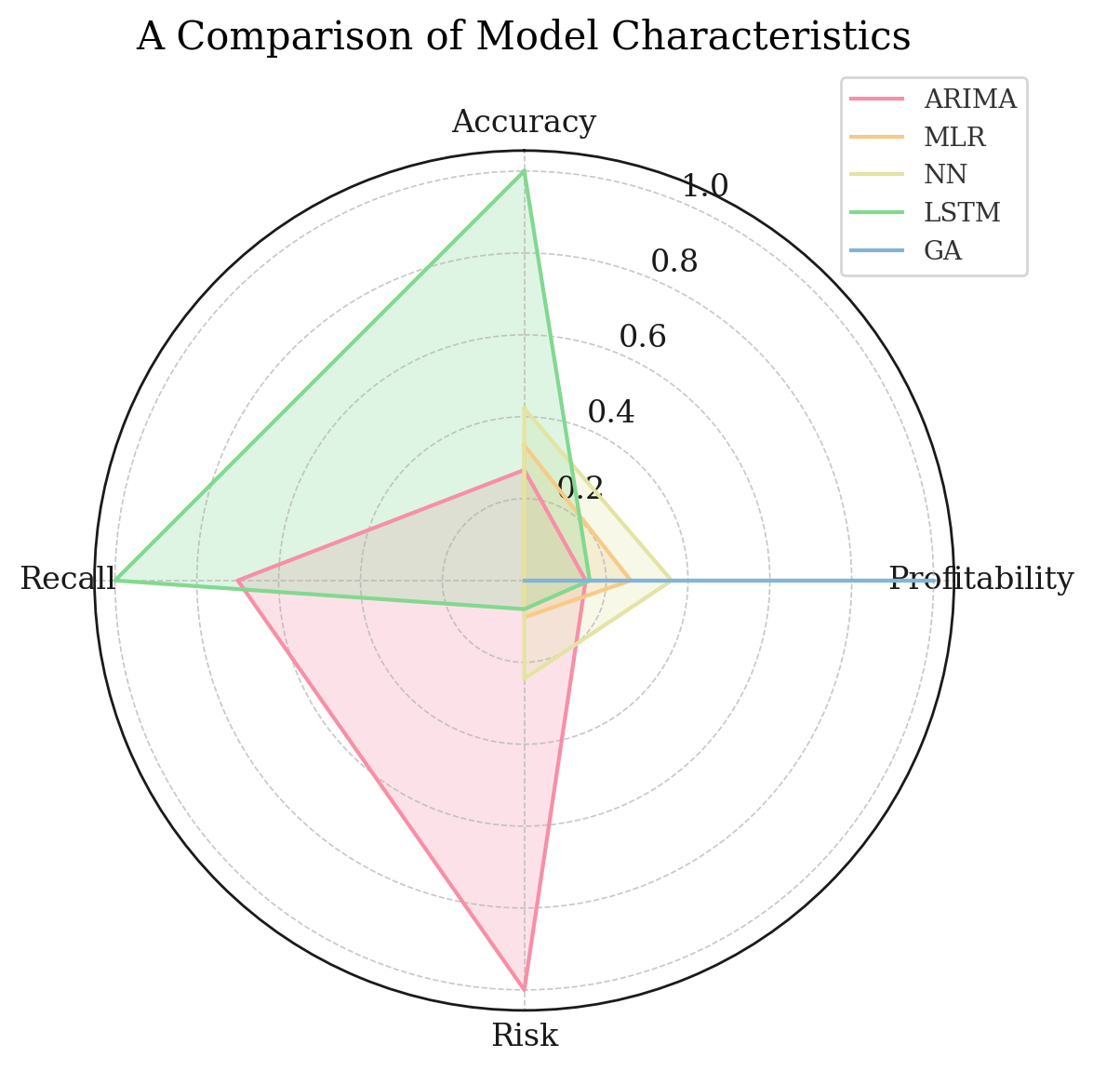

 |  | Normalised

Group | Index | ARIMA | MLR | NN | LSTM | GA | Group | Index | ARIMA | MLR | NN | LSTM | GA
Accuracy | FALSE | 1.00 | 0.42 | 0.33 | 0.27 | FALSE | Accuracy | FALSE | 772.66666667 | 323 | 252 | 212 | FALSE
Profitability | 0.01 | 0.15 | 0.26 | 0.36 | 0.16 | 1.00 | Profitability | 0.14 | 1.4130319149 | 2.53 | 3.5 | 1.52 | 9.72
Risk | 0.42 | 1.00 | 0.09 | 0.24 | 0.07 | FALSE | Risk | 0.16 | 0.38 | 0.0323 | 0.092 | 0.025 | FALSE
Recall | FALSE | 0.70 | 0.00 | 0.00 | 1.00 | 0.00 | Recall | FALSE | 0.7 | 0 | 0 | 1 | 0
...

